Ex 1
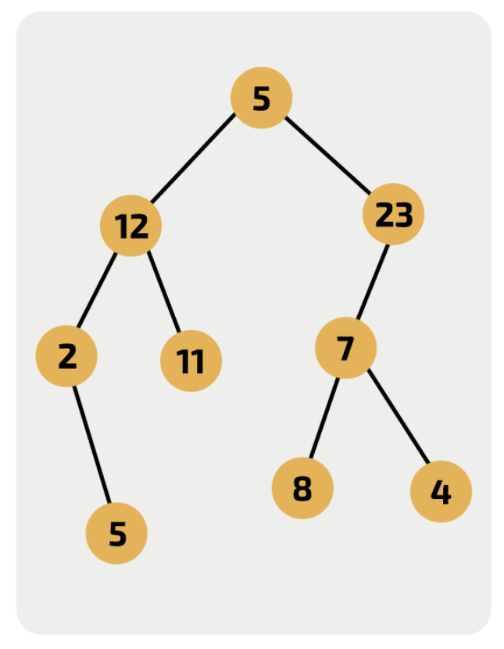
OUTPUT | CurrentNode | NeedingVisiting | Correct?

Ex 2
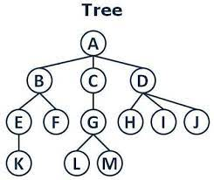
OUTPUT | CurrentNode | NeedingVisiting | Correct?

Ex 3
OUTPUT | CurrentNode | NeedingVisiting | Correct?

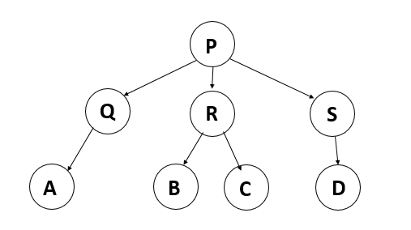

Less help on this sheet: no bold for individual correct answers

